Sheet1
slno | Issue Type | Issue Summary | Priority | Page | Devices Environment | Steps to reproduse | Expected Result | Actual Result | Screenshots | Reporter | Reporting Date | Assignee
1 | Bug | If the user enters the wrong email address proper error message not displayed | High | Account create page | Device name: HP Pavlion Processor: 11th Gen Intel(R) Core(TM) i5-11300H @ 3.10GHz 3.11 GHz Browser: Google chrome Version 109.0.5414.75 (Official Build) (64-bit) | 1. Load the application by entering the URL 2. Click on sing in link and click on Create account link | it should accept only the proper domain name of the email service provider without spelling mistakes | Not as an Expected result |  | kushal gowda | 2023-03-07 | Developer
2 | Bug | If the user creates an account with the wrong email address account will be created in wrong mail address | High | Account create page | Device name: HP Pavilion Processor: 11th Gen Intel(R) Core(TM) i5-11300H @ 3.10GHz 3.11 GHz Browser: Google chrome Version 109.0.5414.75 (Official Build) (64-bit) | 1. Load the application by entering the URL 2. Click on sing in link and click on Create account link | it should accept only the proper domain name of the email service address | Not as an Expected result | 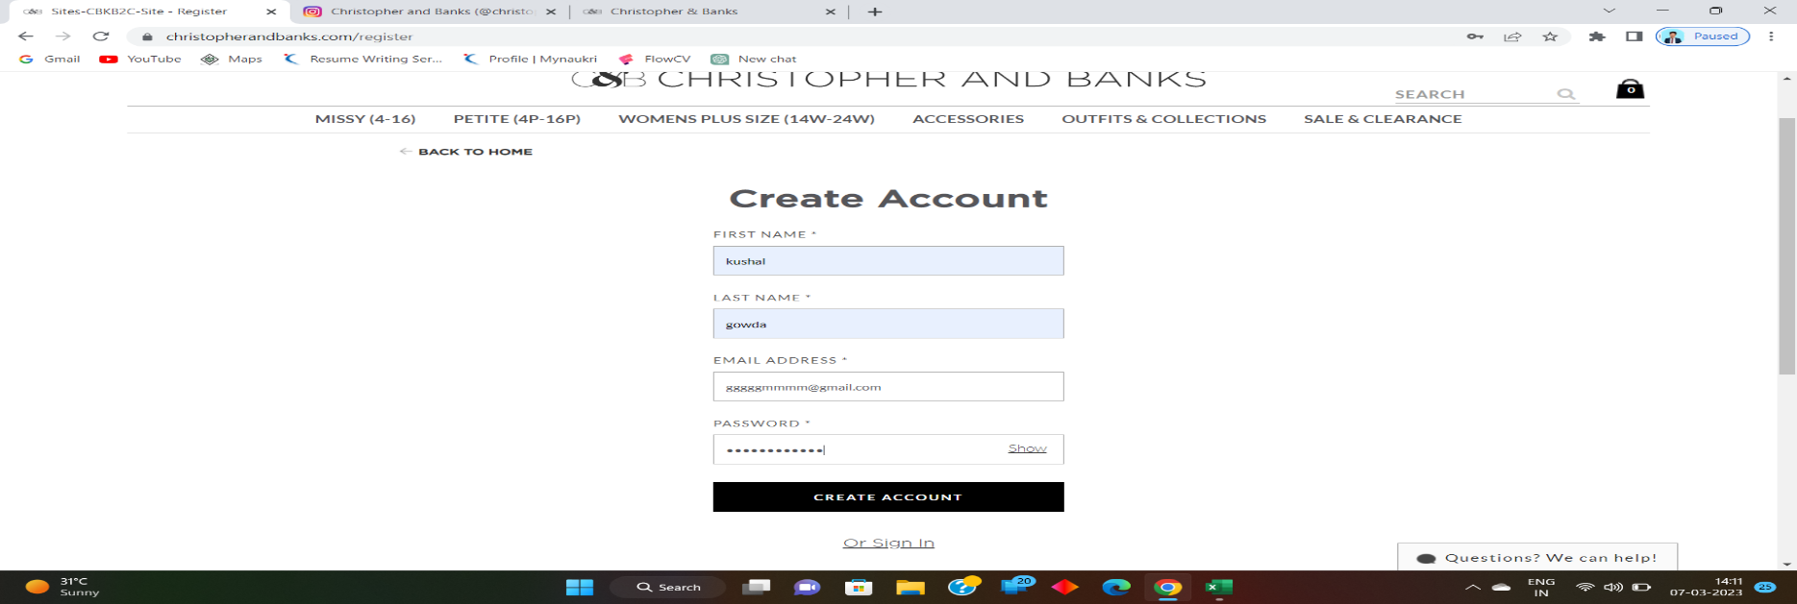 | kushal gowda | 2023-03-07 | Developer

3 | Bug | If the user clicks on the accessories link page and clicks on add filter of pink colour it shows dresses and shoes on that page | low | Accessories page | Device name: HP Pavilion Processor: 11th Gen Intel(R) Core(TM) i5-11300H @ 3.10GHz 3.11 GHz Browser: Google chrome Version 109.0.5414.75 (Official Build) (64-bit) | 1. Load the application by entering the URL 2. Click on sing in link and click on Create an account link 3. click on the accessories link and add a filter of pink colour | it should show only accesries iteam on accesires page | Not as an Expected result |  | kushal gowda | 2023-03-07 | Developer
4 | Bug | If the user clicks on the MISSY (4-16)FEATURED SHOPS SLEEPWEAR it shows dog clothes on that page | low | MISSY (4-16)FEATURED SHOPSSLEEPWEAR | Device name: HP Pavilion Processor: 11th Gen Intel(R) Core(TM) i5-11300H @ 3.10GHz 3.11 GHz Browser: Google chrome Version 109.0.5414.75 (Official Build) (64-bit) | 1. Load the application by entering the URL 2. Click on sing in link and click on Create an account link 3. click on the MISSY (4-16)FEATURED SHOPSSLEEPWEAR | it should show only sleep wear items on the MISSY (4-16)FEATURED SHOPSSLEEPWEAR page | Not as an Expected result | 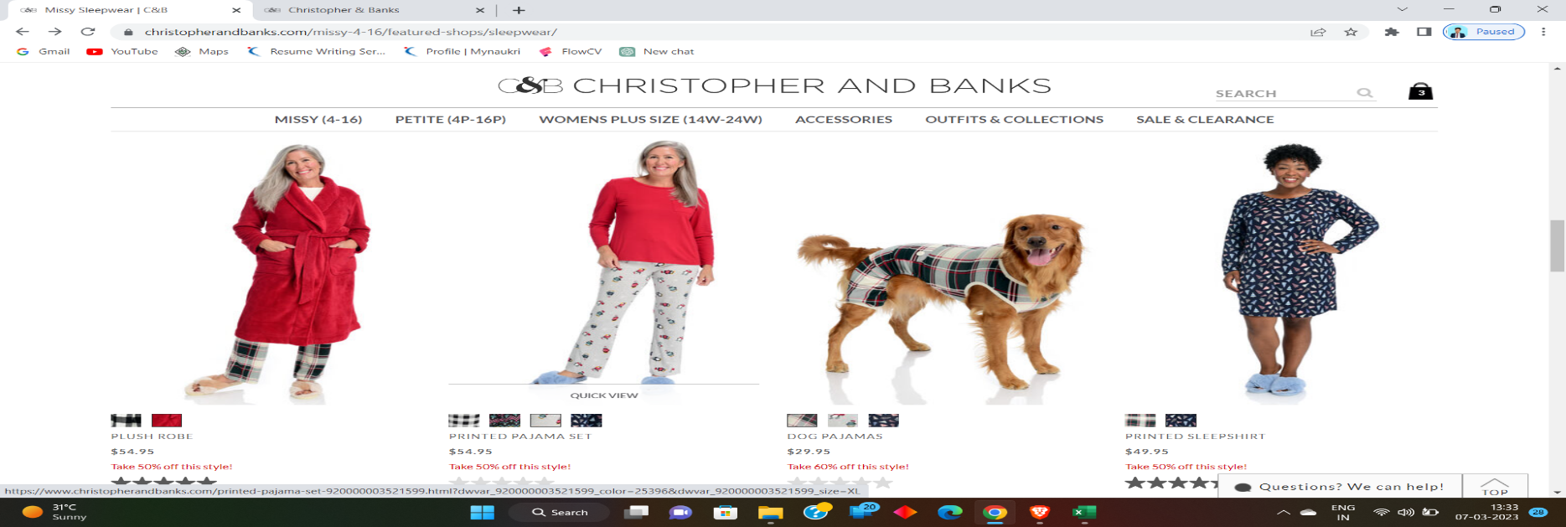 | kushal gowda | 2023-03-07 | Developer
5 | Bug | If the user clicks on the sales and clearance page and selects handbags on the page, it shows items not found. | low | sales and clearance page and selects handbags on the page | Device name: HP Pavilion Processor: 11th Gen Intel(R) Core(TM) i5-11300H @ 3.10GHz 3.11 GHz Browser: Google chrome Version 109.0.5414.75 (Official Build) (64-bit) | 1. Load the application by entering the URL 2. Click on sing in link and click on Create an account link 3. sales and clearance page and select handbags on the page | it should show handbags on the sales and clearance page and selects handbags | Not as an Expected result | 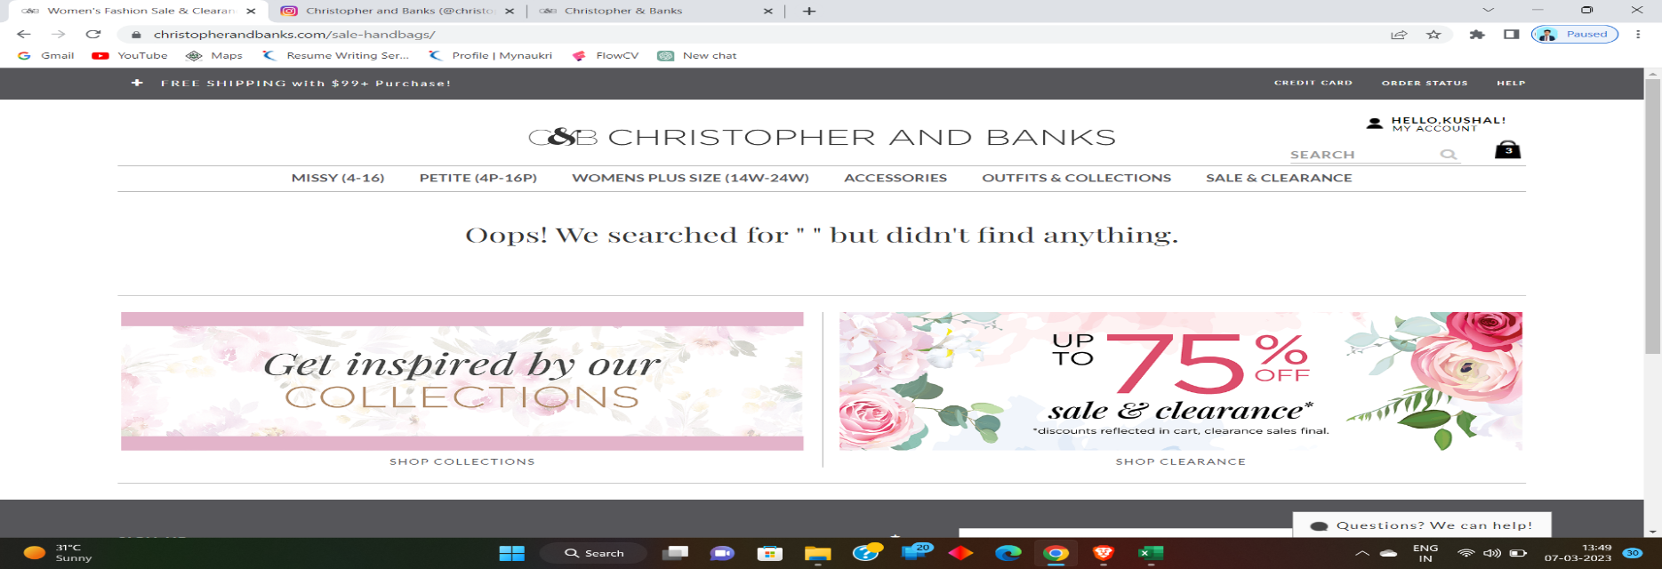 | kushal gowda | 2023-03-07 | Developer

